index
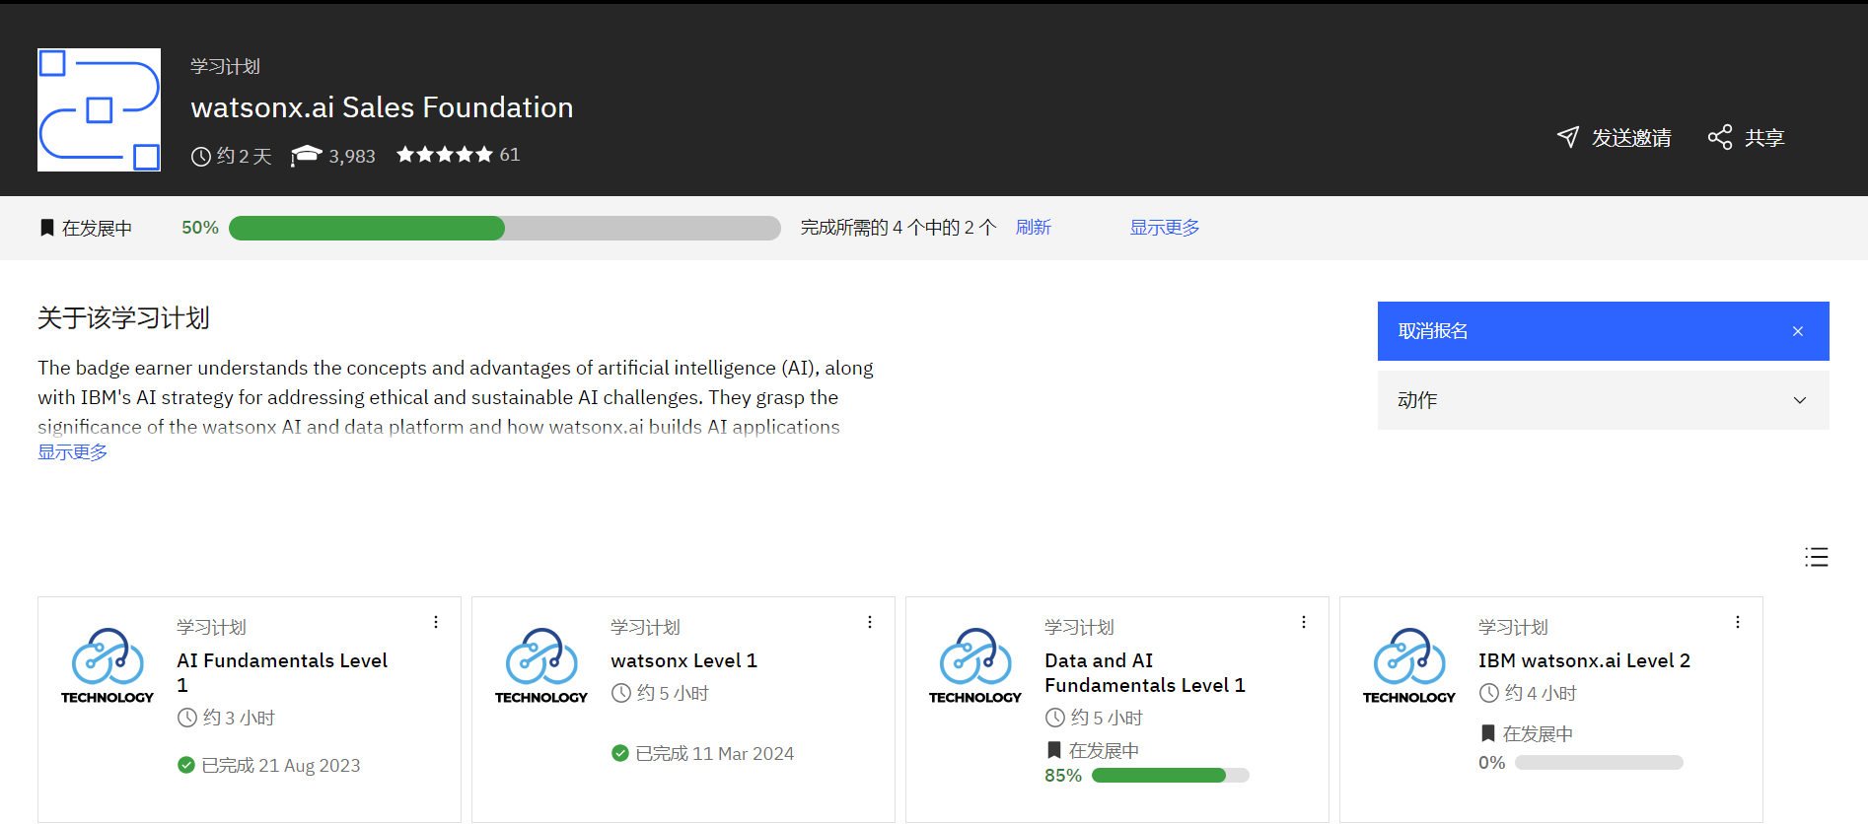
https://yourlearning.ibm.com/activity/PLAN-61428869D6C9

Data and AI Fundamentals
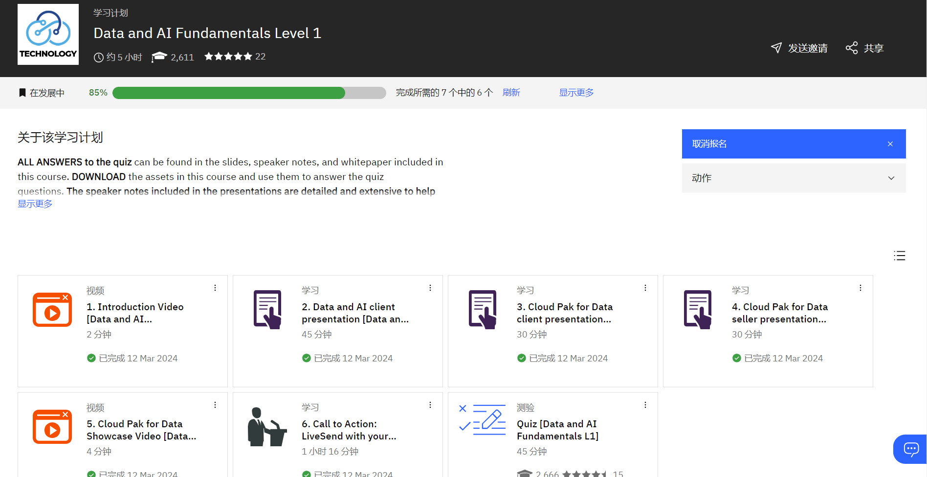
https://yourlearning.ibm.com/activity/PLAN-435EB48E5AD3/track-progress?planIdFromParentTab=PLAN-61428869D6C9&sectionIdFromParentTab=SECTION-A&planIdForChildTab=PLAN-435EB48E5AD3

quiz1
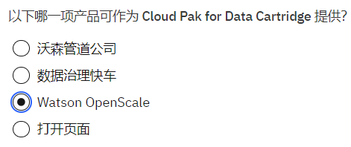

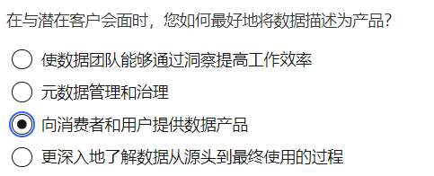

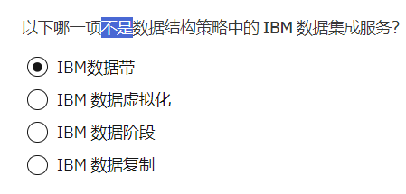

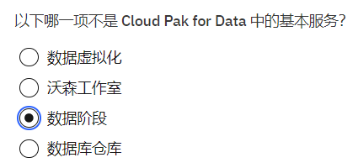

IBM watsonx.ai Level 2
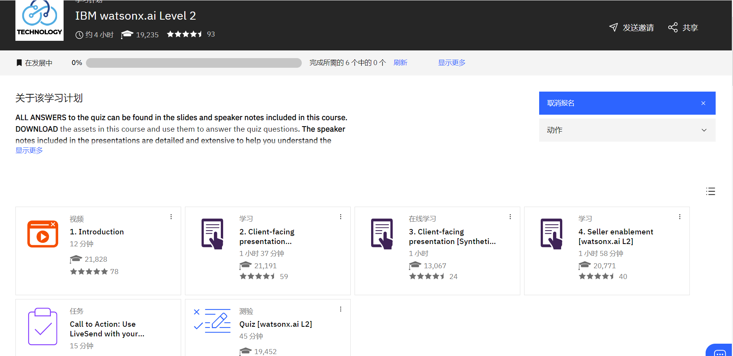
https://yourlearning.ibm.com/activity/PLAN-43433BB6E9CB/track-progress?planIdFromParentTab=PLAN-61428869D6C9&sectionIdFromParentTab=SECTION-A&planIdForChildTab=PLAN-43433BB6E9CB

